List1
 | HC SPARTA PRAHA - nabídka mládež
foto | produkt | název |  | cena | cena HC SPARTA | cena HC SPARTA s potiskem
 | 725932-657 | TRAINING TOP 100% polyester | men's | 540 Kč | 378 Kč | 403 Kč
 | 726008-657 | TRAINING TOP 100% polyester | youth | 390 Kč | 273 Kč | 298 Kč

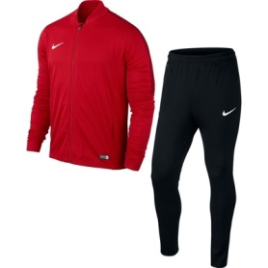 | 808757-657 | KNIT TRACKSUIT 100% polyester | men's | 1,790 Kč | 1,253 Kč | 1,353 Kč
 | 808760-657 | KNIT TRACKSUIT 100% polyester | youth | 1,390 Kč | 973 Kč | 1,073 Kč
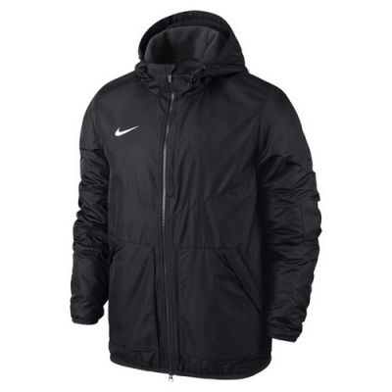 | 645550-010 | TEAM FALL JACKET 100% polyester | men's | 2,790 Kč | 1,953 Kč | 2,053 Kč
 | 645905-010 | TEAM FALL JACKET 100% polyester | youth | 2,190 Kč | 1,533 Kč | 1,633 Kč

